Dashboard
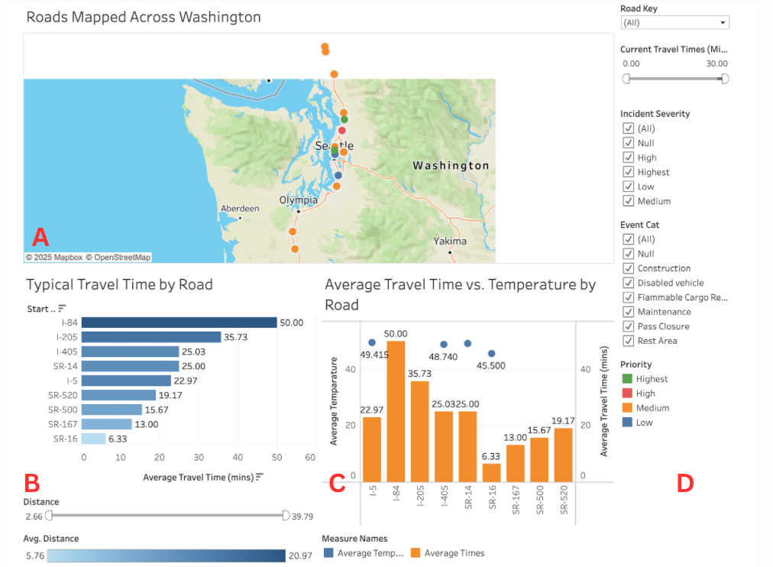
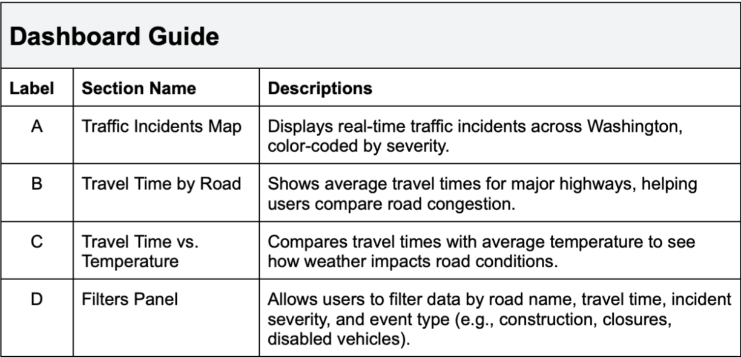
 | Weather, Traffic & Travel: Washington’s Road Trends

Home | This dashboard provides real-time insights into Washington’s traffic conditions, including accident reports, weather impact on road incidents, and travel times.
Data Dictionary
Dashboard
EER Diagram
ELT Architecture | Dashboard Link | https://public.tableau.com/shared/KWHGDWT6S?:display_count=n&:origin=viz_share_link
Monitoring | Refresh Schedule | Extracted Data
Code Review
 | Data Sources | Washington State DOT APIs (Traffic, Weather, Alerts)

 | Report Tabs
 | Traffic Incidents | Displays real-time accident locations & severity, with details on road closures and construction.
 | Travel Time Analysis | Shows average travel times for major highways, helping users compare congestion levels.
 | Filters & Comparisons | Allows users to filter data by road name, incident severity, travel time, and event type (e.g., construction, maintenance, disabled vehicles).
 | Average Travel Time vs. Temperature | Compares travel time with temperature to identify how weather affects road congestion.

 | Dashboard Guide

EER Diagram
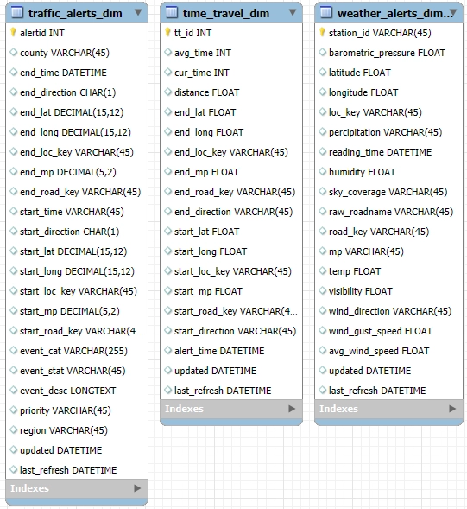
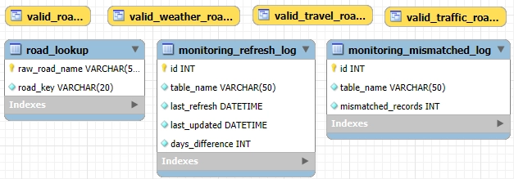
 | Data Base Diagram
 | Export of an EER diagram from mySQL.
Home
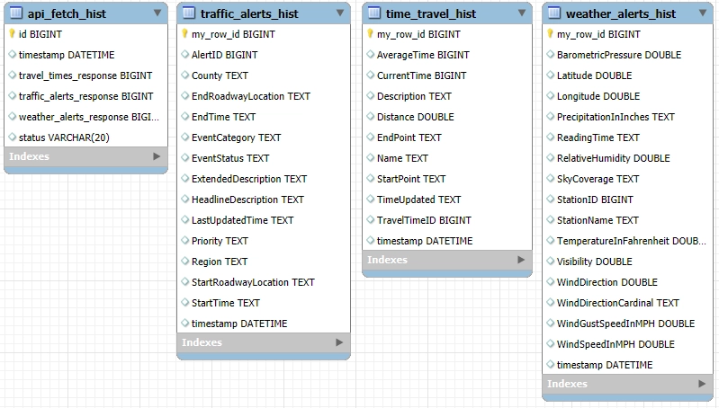
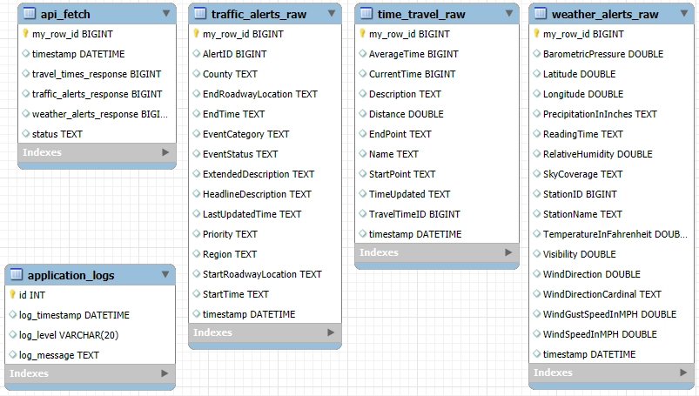
Data Dictionary
Dashboard
EER Diagram
ELT Architecture
Monitoring
Code Review

ELT
 | ELT

Home | Data is extracted from the Washington State Department of Transportation (WDOT) via API using python. It is stored in an Azure server and loaded into a mySQL database. Transformations are applied using stored procedures in mySQL. These are automatically called when data is loaded into the database. Currently refreshes every 4 hours. You can also see a better visual of our ELT architecture via Lucid Chart. Found here: https://lucid.app/lucidchart/0fcbe2aa-f9f8-4e69-bb6f-91f6d21c950f/edit?viewport_loc=-1196%2C-190%2C3326%2C1724%2C0_0&invitationId=inv_fb0441ac-501a-46cc-a660-7cfd62fa7327
Data Dictionary
Dashboard
EER Diagram
ELT Architecture
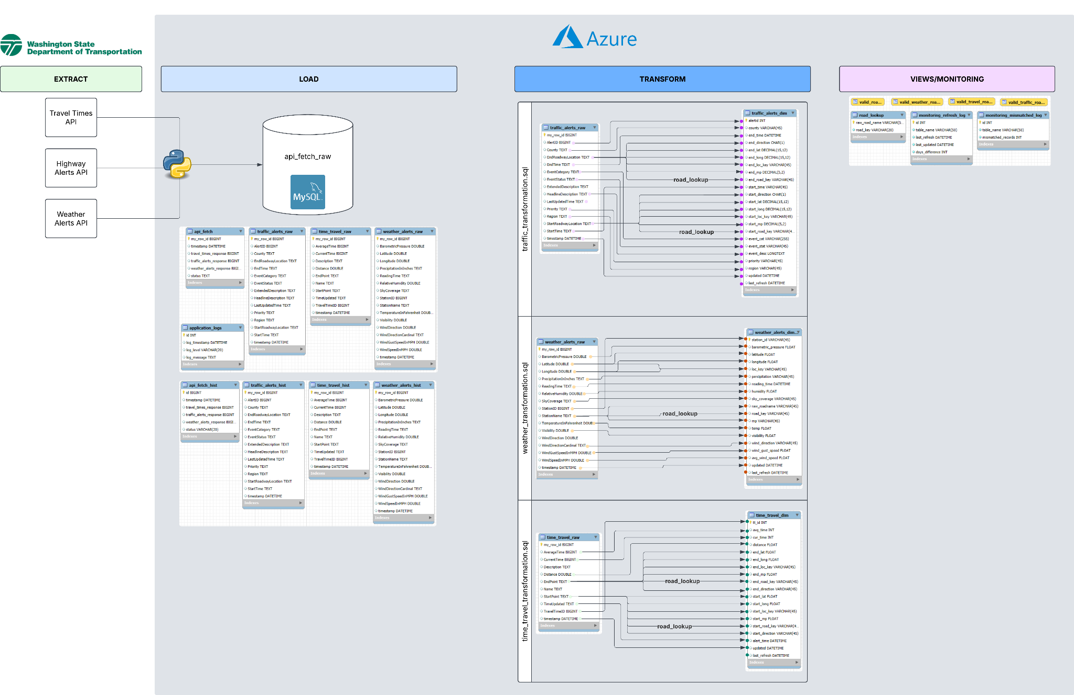
Monitoring
Code Review

